Sheet1
0.064302 | (mineral water, spaghetti)
0.060976 | (mineral water, chocolate)
0.057650 | (mineral water, milk)
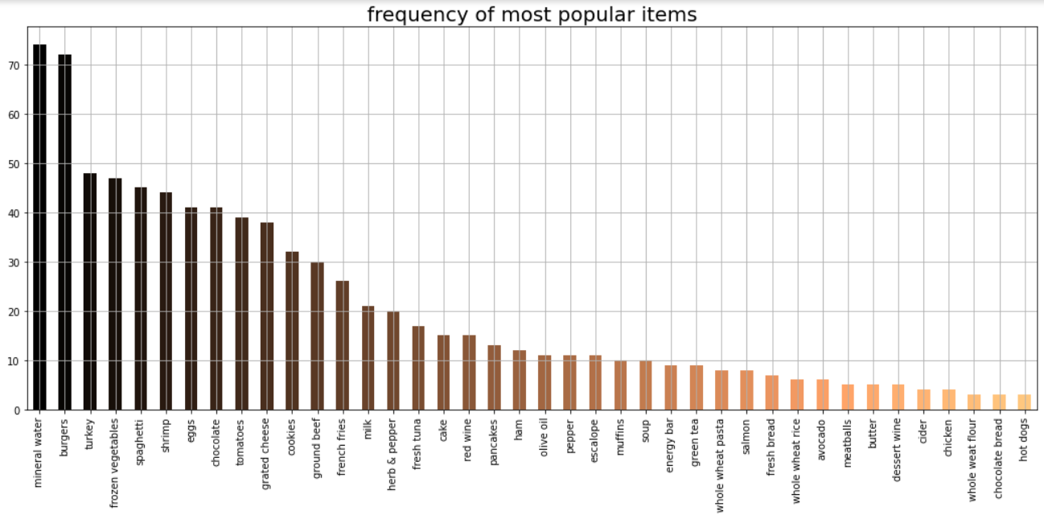
0.056541 | (eggs, mineral water)
0.047672 | (eggs, french fries)
0.044346 | (milk, spaghetti)
0.042129 | (eggs, chocolate)
0.042129 | (eggs, spaghetti)
0.041020 | (frozen vegetables, mineral water)
0.039911 | (chocolate, spaghetti)
0.035477 | (chocolate, milk)
0.035477 | (spaghetti, french fries)
0.035477 | (ground beef, spaghetti)
0.034368 | (pancakes, mineral water)
0.033259 | (tomatoes, mineral water)
0.033259 | (chocolate, french fries)
0.032151 | (ground beef, mineral water)
0.032151 | (milk, french fries)
0.031042 | (mineral water, shrimp)
0.031042 | (mineral water, french fries)
0.031042 | (shrimp, spaghetti)
0.031042 | (eggs, milk)
0.029933 | (frozen vegetables, spaghetti)
0.028825 | (mineral water, olive oil)

